Analysis_2
Revenue By Gender
Gender generates more revenue

Row Labels | Sum of Amount
F | 5385208
M | 2876269
Grand Total | 8261477

Spent by age Group
Age group spends the most

Row Labels | Sum of Amount
51-55 | 91611
Grand Total | 91611

States generate the most revenue

Row Labels | Sum of Amount
Andhra Pradesh | 16938
Grand Total | 16938

Occupations contribute most to revenue
Revenue by Occupation
Row Labels | Sum of Amount
IT Sector | 16938
Grand Total | 16938

Product categories sell the most

Product category Analysis
Row Labels | Sum of Orders
Footwear & Shoes | 2
Grand Total | 2

Product categories generate the most money

Row Labels | Sum of Amount
Footwear & Shoes | 16938
Grand Total | 16938

Dashboard
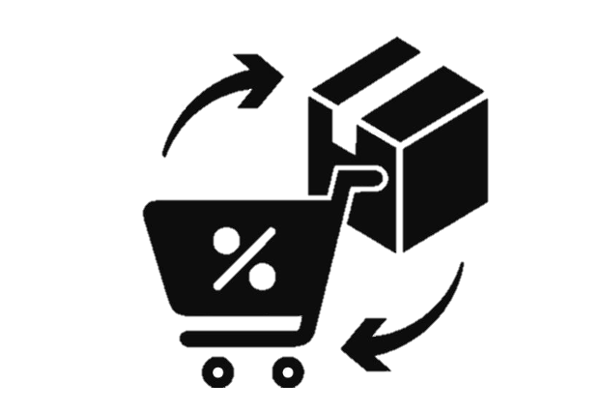



Revenue By Gender
 | Total
F | 5385208
M | 2876269
Product category Analysis
 | Total
Footwear & Shoes | 2
Revenue by Occupation
 | Total
IT Sector | 16938
Spent by age Group
 | Total
51-55 | 91611
Revenue by States
 | Total
Andhra Pradesh | 16938
Diwali Sales
Total Revenue
106249132.4 Rs.
Total Orders
27981
Total Customer
3752
Average Order Value
3797.188

DIWALI SALES

,'''''''''''''''''''''

 | 0

